Sheet4 (2)
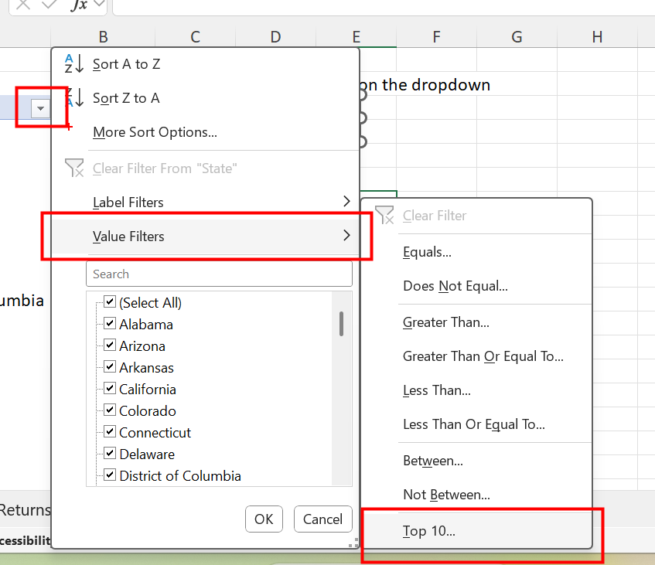
 |  | Click on the dropdown
Row Labels | Sum of Sales
California | 457,688
Florida | 89,474
Georgia | 49,096
Illinois | 80,166
Indiana | 53,555
Kentucky | 36,592
Michigan | 76,270
New Jersey | 35,764
New York | 310,876
North Carolina | 55,603
Ohio | 78,258
Pennsylvania | 116,512
Texas | 170,188
Virginia | 70,637
Washington | 138,641
Grand Total | 1,819,320

Sheet4 (3)
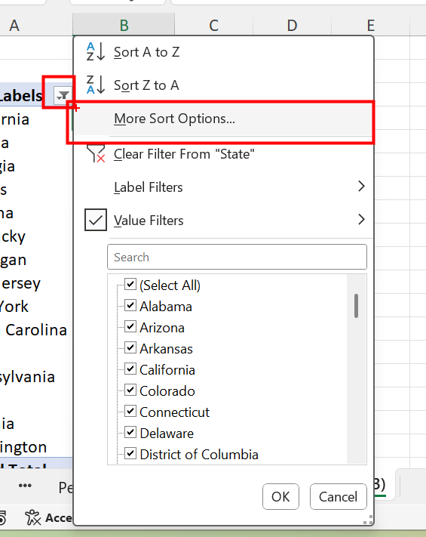
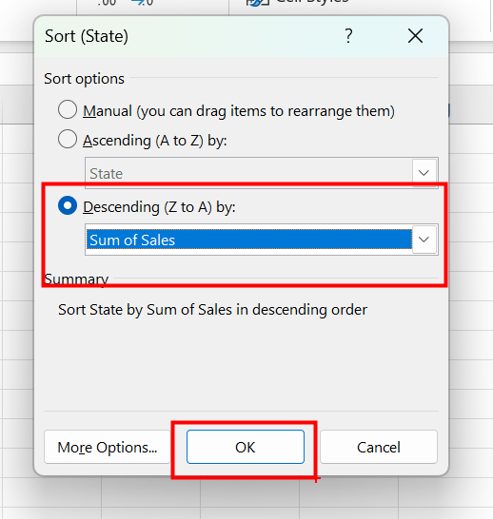
Row Labels | Sum of Sales
California | 457,688
New York | 310,876
Texas | 170,188
Washington | 138,641
Pennsylvania | 116,512
Florida | 89,474
Illinois | 80,166
Ohio | 78,258
Michigan | 76,270
Virginia | 70,637
North Carolina | 55,603
Indiana | 53,555
Georgia | 49,096
Kentucky | 36,592
New Jersey | 35,764
Grand Total | 1,819,320

Sheet4 (7)
Customer Name | Product Name | Sum of Sales | Months (Order Date) | Sum of Sales
Tom Prescott |  | 4,416 | Jan | 43,971
Joseph Airdo |  | 4,664 | Feb | 20,301
Nick Crebassa |  | 4,800 | Mar | 58,872
Jane Waco |  | 5,084 | Apr | 36,522
Todd Sumrall |  | 5,200 | May | 44,261
Andy Reiter |  | 5,444 | Jun | 52,982
Grant Thornton |  | 8,000 | Jul | 45,264
Hunter Lopez |  | 10,500 | Aug | 63,121
Tom Ashbrook |  | 11,200 | Sep | 87,867
Raymond Buch |  | 14,000 | Oct | 77,777
Grand Total |  | 73,308 | Nov | 118,448
 |  |  | Dec | 83,829
 |  |  | Grand Total | 733,215

